WIR
 | CLIENT : True Internet Data Center |  |  |  | CONSULTANT : MITR Technical
 | Co., Ltd. |  |  |  | Consultant Co., Ltd.

 |  |  |  |  |  |  |  |  |  | Ref. No : |  | RYG-HW-WIR-GEN-1-017
 |  |  |  |  |  |  |  |  |  | Date of Issue
 |  |  |  |  |  |  |  |  |  | Working Date
 |  |  |  |  |  |  |  |  |  | Page
Inspection Checklist / Installation Work
CONTRACTOR : Huawei Technologies (Thailand) Co.,Ltd. |  |  |  |  |  | PROJECT :THAI DC 1 - RYG |  |  |  |  | OWNER : True Internet Data Center Co., Ltd.
 |  |  |  |  |  | Generator

System : |  | AC |  | EE |  | ME |  | ELV |  | Other:….......................
Work: |  | Wierway |  | Cable Ladder |  |  | RSC |  | IMC |  | EMT |  | Other:…............
Approved Shop Drawing No. : |  |  |  |  |  |  |  |  |  | Grid Line :
Building : |  |  | RYG1 |  |  |  |  |  |  | Floor/Room No. : | GEN-IT-DH08-D-RYG1A-R1

ITEM | DESCRIPTION |  |  |  |  |  |  |  | Result |  | Remarks
 |  |  |  |  |  |  |  |  | ผลการตรวจสอบ
ลำดับ | รายละเอียด |  |  |  |  |  |  |  | Pass | Not Pass | หมายเหตุ
 |  |  |  |  |  |  |  |  | ผ่าน | ไม่ผ่าน
1 | - Routing & Sizing
2 | - Alignment
3 | - Elevation
4 | - Hanger & Support (Type / Spacing)
5 | - Painting / Coatings
6 | - Identification & Color Code
7 | - Accessories

Comment :

SUBCONTRACTOR: |  |  |  |  | CONTRACTOR: |  |  |  |  |  | CONSULTANT
APPROVE |  | NOT APPROVE |  |  | APPROVE |  | NOT APPROVE |  |  |  | APPROVE |  | NOT APPROVE
Signature : |  |  |  |  | Signature : |  |  |  |  |  | Signature :
Name : |  |  |  |  | Name : |  |  |  |  |  | Name :
Date : |  |  |  |  | Date : |  |  |  |  |  | Date :
Comment: |  |  |  |  | Comment: |  |  |  |  |  | Comment:

INSPECTION FORM
MEP-002

 | CLIENT : True Internet Data Center |  |  |  | CONSULTANT : MITR Technical
 | Co., Ltd. |  |  |  | Consultant Co., Ltd.

 |  |  |  |  |  | Inspection Checklist
CONTRACTOR : Huawei Technologies (Thailand) Co.,Ltd. |  |  |  |  |  | PROJECT :THAI DC 1 - RYG |  |  |  |  | OWNER : True Internet Data Center Co., Ltd.
 |  |  |  |  |  | Generator

 |  |  |  |  | Photographs
 |  |  |  |  | รูปถ่ายการตรวจงาน

 |  |  |  |  |  |  | Generator

SUBCONTRACTOR: |  |  |  |  | CONTRACTOR: |  |  |  |  |  | CONSULTANT
APPROVE |  | NOT APPROVE |  |  | APPROVE |  | NOT APPROVE |  |  |  | APPROVE |  | NOT APPROVE
Signature : |  |  |  |  | Signature : |  |  |  |  |  | Signature :
Name : |  |  |  |  | Name : |  |  |  |  |  | Name :
Date : |  |  |  |  | Date : |  |  |  |  |  | Date :
Comment: |  |  |  |  | Comment: |  |  |  |  |  | Comment:

INSPECTION FORM
MEP-002

 | CLIENT : True Internet Data Center |  |  |  | CONSULTANT : MITR Technical
 | Co., Ltd. |  |  |  | Consultant Co., Ltd.

 |  |  |  |  |  | Inspection Checklist
CONTRACTOR : Huawei Technologies (Thailand) Co.,Ltd. |  |  |  |  |  | PROJECT :THAI DC 1 - RYG |  |  |  |  | OWNER : True Internet Data Center Co., Ltd.
 |  |  |  |  |  | 0

 |  |  |  |  | Photographs
 |  |  |  |  | รูปถ่ายการตรวจงาน
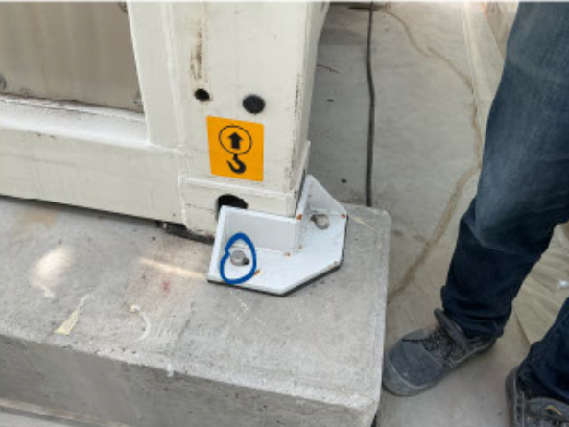
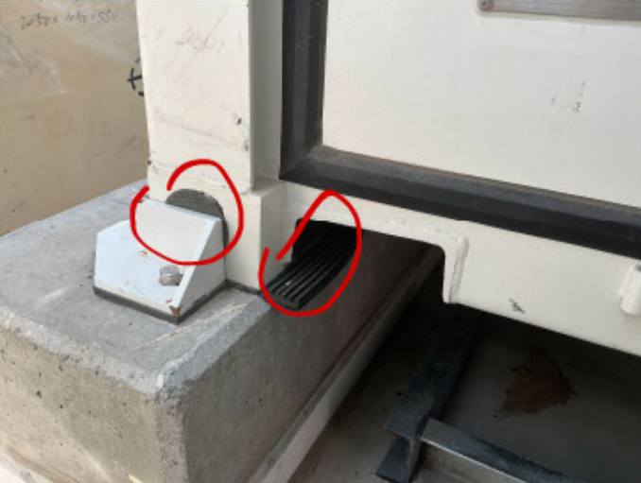

 |  |  |  |  |  |  |  |  |  |  | 1.All bolt head has no torque mark.

 |  |  |  |  |  |  |  |  |  |  | 2.Trim the rubber pad to be flush with the engine base.

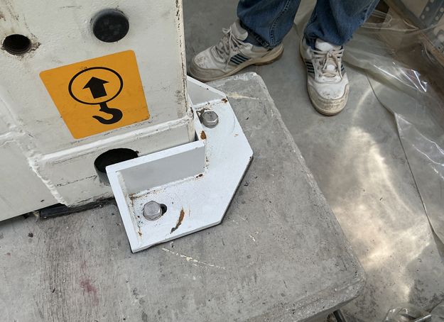
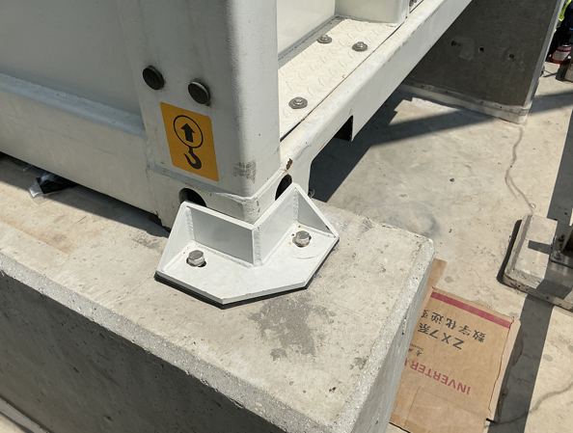

 |  |  |  |  |  |  |  |  |  |  | 1.L Lock must be made from stainless or steel hot dip galvanise

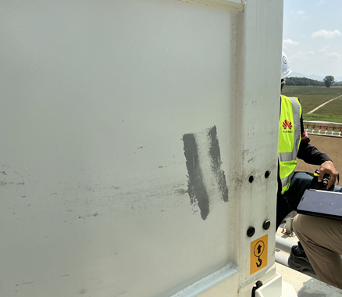
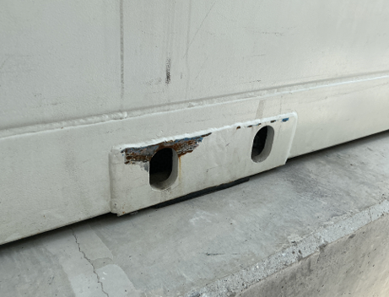

 |  |  |  |  |  |  |  |  |  |  | 1. Repaint all scratched surfaces.

 |  |  |  |  |  |  | 0

SUBCONTRACTOR: |  |  |  |  | CONTRACTOR: |  |  |  |  |  | CONSULTANT
APPROVE |  | NOT APPROVE |  |  | APPROVE |  | NOT APPROVE |  |  |  | APPROVE |  | NOT APPROVE
Signature : |  |  |  |  | Signature : |  |  |  |  |  | Signature :
Name : |  |  |  |  | Name : |  |  |  |  |  | Name :
Date : |  |  |  |  | Date : |  |  |  |  |  | Date :
Comment: |  |  |  |  | Comment: |  |  |  |  |  | Comment:

INSPECTION FORM
MEP-002

